PI
 |  |  | Proforma Invoice
Changsha We-iTech Co., Ltd. Add: Jinshiyiyuan, Lugu Street, Yuelu, Changsha City, Hunan, China. Tel: +86-15605603217 E-mail: MicWeng@We-iTech.com Website: www.We-iTech.com |  |  | Region: Kazakhstan
 |  |  | Validity:

To: TOO Калидад «CALIDAD» |  |  | From: Changsha We-iTech Co., Ltd.
Attn: Mr. Khurashvili Evgeniy |  |  | Invoice No.: 20260401-0900
Tel: |  |  | Invoice Date:
Fax: http://calidad.kz/ |  |  | Contract No.:
Payment term: 100% T/T payment before delivery |  |  | Contract Date:
Adress: Melnichnaya street 4/3 office N 15, Karaganda city, Kazakhstan. Postal code 100000
Item | Model | Description | Quantity | Unit Price(RMB) EXW (Liaocheng) | Sub Total (RMB) EXW (Liaocheng)
1 | 1325 | CNC router, 1300×2500, A18, 3.2 kW water-cooled spindle, servo motors, T-slot table, pump, 380V power supply, lathe module, Z-axis height 400 mm, rotary axis for lathe module D160, interpolated 4th axis D160, tool height calibration sensor | 1 | 30030 | 30030.00
2 | CLDA3DTF | DTF printer, 30cm, 2pcs XP600 (1pcs for CMYK, 1pcs for White). Hoson + Riin, with Leg. Qicai. With small ink set for testing. | 1 | 11044 | 11044.00
3 | 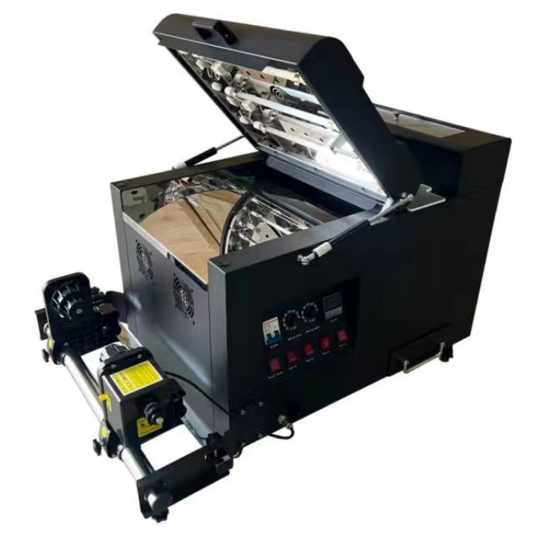 CLDA3DTF powder machine | Powder machine, for CLDA3DTF, work as set | 1 | 1695 | 1695.00
4 | QH-XC1201 | Embroidery machine, 1 head, 12 needle, with software. 17500RMB for machine, 1500RMB for software, delivery cost 600RMB | 1 | 19600 | 19600.00
 |  | 26.03.30 send spare parts from Qicai: 6pcs pump*60.5RMB=330RMB ink pipe 3 meter=45RMB ink damper 20pcs=120RMB purifier 10pcs=150RMB 3200 ink pad 6pcs=150RMB |  | 795 | 815.00
 |  | Delivery cost last time for 20260114-1720 is: Qicai: 710RMB Heat price: 80RMB Spare parts sent to Yiwu is: 5pcs water tank, cos 270RMB |  |  | 1060.00
 |  | Delivery cost received last time is 1000RMB |  |  | -1000.00
 |  | Total | #REF! |  | 63244.00

Note:


Terms & Conditions:
Terms of Shipment: EXW (Liaocheng)
Delivery time: Inform when confirm the PO, normally 12 workdays.
Warranty:
Remark: : Carton box packing

